Sheet1
Iteration 2 Bug fixing task list (Tested by Nab and KX)
DEADLINE: 31 Oct 2016 – Monday before 12 PM
Bug | Description | In charge | Status
 |  |  | (Fixed?) | TESTED?
Timeline - for INFANT, FEMALE, MALE | View Patient – Wrong information | Sean

Timeline | editTimeline.html – to include Add Button | Nicole | Yes | Pass
Timeline | Delete button not working | Nicole/Sean | Yes | Pass
Timeline | Edit button not working | Nicole
Timeline | Add in data for female and infant timeline, currently only has 1 data | Sean
Timeline – Addnewscreening.html | 1) It is not linked in navigation (currently we are typing the url straight) | Nic | yes | Pass
 | 2) Demographic dropdown – to add in “All” and remove “both” |  |  | Fail(checkbox) | TO change to check box | done | Female Infant Male
Timeline – Addnewscreening | 1) To have a pop up after clicking Add button | Nic
 | “Timeline successfully updated”
Timeline | Should reflect the database of screenings dued at what age / period – can it be a diagram instead of blocks? Eg: vertical timeline – when select age / age range à will show lightbox which includes list of screenings applicable? OR just show the database list (the page where you can edit and delete screenings) and add filter functions (gender, age, …..) | Sean/Nic
 | 2. There should be an email function as well
 | 3. Does the team need to see/know about the screenings and what age? Or can this be in the backend?
 | 4. Should the type of screening dued / applicable be shown in the client summary page instead?
Analysis - KPI | Remove option ”operations” from Select team drop down list | Nic | Yes | Pass
Analysis -KPI | Data not displayed | Sean | Fixed | fail
 | If data insufficient, add in data ranging from 2014 - 2016 |  |  | fail
Analysis -KPI | Correct type – | Sean
 | “Indo patient”??
 | “No. of non patient”??
 | Spell in full
 | Number of Indonesian patients
 | Number of Non-Indonesian patients
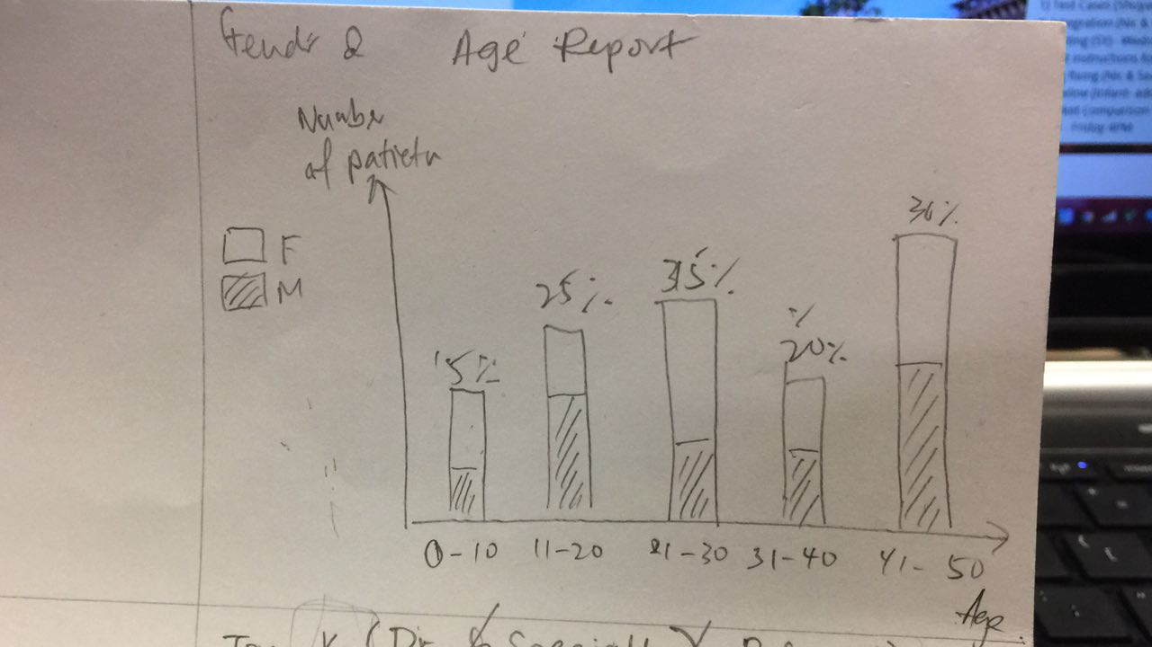
Analysis -KPI | Make Font bigger and nicer for results | Nic | yes but havent integrate w sean to test | pass
Analysis- Top K | List all in a table according to ranks – don’t need Top K | Sean | Fixed | pass
Analysis- Top K | Start date and end date calendar does not appear | Sean | Fixed | pass
Analysis- Top K | Generate button does not work | Nic | Sean fixed | pass
Analysis- Top K | Remove “Gender” from criteria dropdown list | Nic | Yes | pass
Gender and Age Report | To create one more option “Gender and Age” for Analysis drop down in navigation bar | Nic | Yes | pass
Gender and Age Report | Generate this barchart. Or at least show in table form. Based on Age range | Nic (Front end) | Fixed | FAIL
 | P/S: Do not stop at age 50 | Sean |  | FAIL
 | Do until 100 Year old | (Back
 |  | end)
Client Module - Client List | Cannot hardcode values must display values in database | Nic / Sean | Fixed | Pass
Client Module – Client List | Follow up person is the same as follow up PIC , just put “follow up person” | Nic | no more | Fail | done
Client Module - Database | Client Table – to include visaType column | Sean | Fixed | Fail | done
Client Module – Create new client page | Make all field static – as per one form (it is okay if they have to scroll) | Nic | Yes | pass
 | 2. To prevent too long of a page – make font size smaller, so more fields can be shown on one page view |  |  | pass
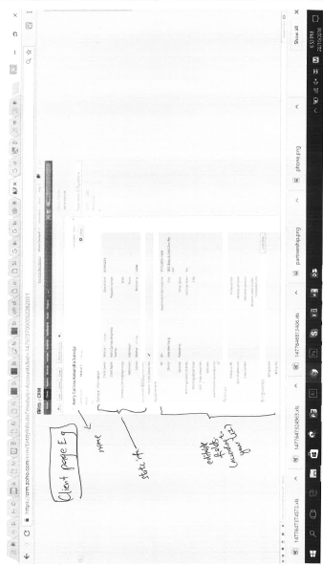
 | 3. If not static, what should be done to match the selected process (1 or 2) above? |  |  | pass
Client Module – Create new client page | Fields to change to droplist: | Nic | Yes
 | 1) Doctor, Specialty, Clinic (Auto-populated) |  |  | Fail | After acceptance
 | 2) Nationality, Country of residence, Referred by |  |  | fail
 | Client name to be compulsory |  |  | fail
Client Module – Client Summary Page | Refer to process 1 and process 2(to be done in interation 5) | Sean/Nic | Fixed | Fail
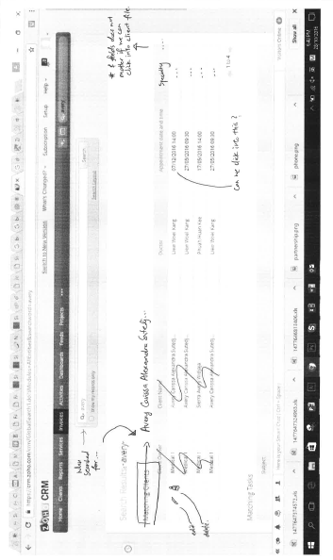
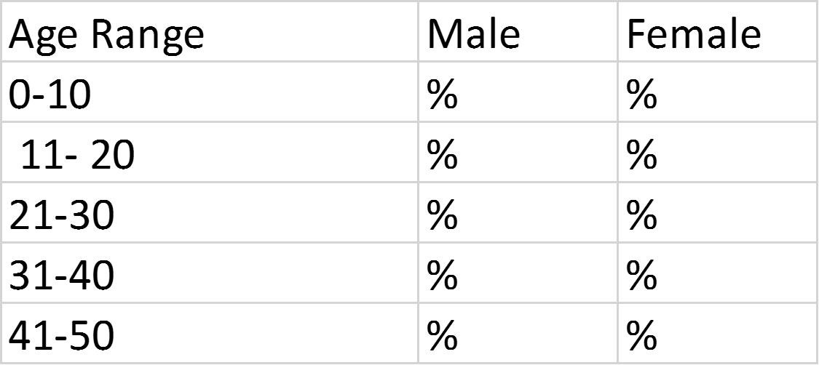
Timeline-Summary | Change "No of years" to "Frequency (Years)" | Nic | done
 | type column to change to "Type" | Nic | done
Timeline-Add New Screening | Demographic affected - checkbox | Nic | done
 | "Successfully Added" message | Nic
Analysis | Date dropdown to close after selecting | Nic
 | To hide time | Nic
Ranking | "Value" to change to "Number of times Doctor was engaged" | Nic | done
 | Date dropdown to close after selecting | Nic
GenderbyAge | to change to "Gender and Age Report" | Nic | done
 | to change the display of data | Nic
Client List | To display Follow Up Person Column | Nic | done
Add Client | Front End validation | Nic
 | add "Visa Type" field | Nic |  |  | after acceptance
Database | Add in Visa Type column | Sean |  |  | after acceptance

What is the client creation process?
1st time: Patient A , new client à create new client à input info into sheet à save entry
2nd time: Patient A, existing client à 1) clone existing file? OR 2) go into existing client file with appointment A and add new appointment? (then we need a toggle to add new appointment) What is the more efficient way? 1 or 2?

If 1, then there should be an individual file for each appointment date and time (cannot restrict input of the same name when creating client) which are categorize under one client file
If 2, then there should be one client file with shows multiple appointment date and time. Will this be restrictive if client have 20 appointments? 100 appointments? How can we optimize the way it looks?

Summary page, however, should not be affected in either case – but if 1, then it should be like process 1. If 2, then process 2.

Process 1: Client summary page (see attached mark-ups)

1. All appointments should appear under one name (as per your current UI)
2. Each appointment should have an edit / delete button (the button either appears on the same line OR allow us to click into each appointment and then edit/delete)
3. If appointment date and time (or any field) can be clicked à it should open up into the client page (see attached mark-up)

Process 2: Client summary page (see attached mark-ups)

1. All appointments should appear under one name (as per your current UI)
2. Allow us to click on the client name and enter master file which shows client creation sheet (editable form) where we can edit the appointment date and time from there

